Defect Dump
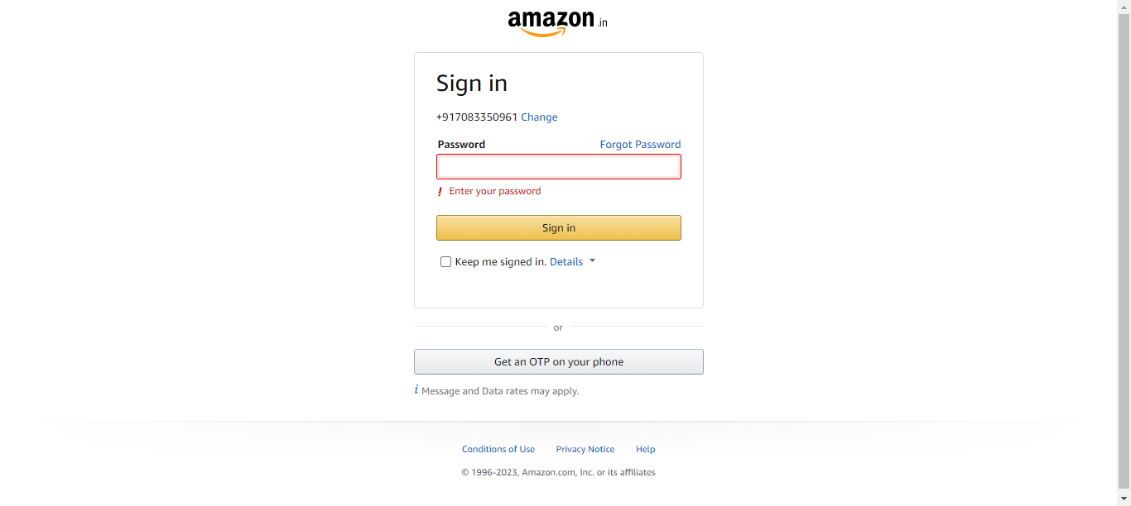

TestMethod | Defect Summary | Defect Description | Error | Time | Browser | DefectEnv | DefectStatus | DuplicatesFound | Error Screenshot
loginToAmazon | SIT | AmazonPage | loginToAmazon | Enter Password and verify SignIn button is failed in Selenabler Framework | 1)Navigate to SignIn Page 2)Enter Username and continue 3)Enter Password and verify SignIn button is failed | Failure Reason from Selenabler Framework: expected [true] but found [false] | 2023.02.16.16.07.02 | Chrome | SIT | Done | 0
searchProductOnAmazon | SIT | AmazonPage | searchProductOnAmazon | Enter product Name on the search bar is failed in Selenabler Framework | 1.Navigate to Baby section 2.Enter product Name on the search bar is failed | Failure Reason from Selenabler Framework: expected [true] but found [false] | 2023.02.16.16.11.47 , 2023.02.16.16.07.35 | Chrome | SIT | In Progress | 1
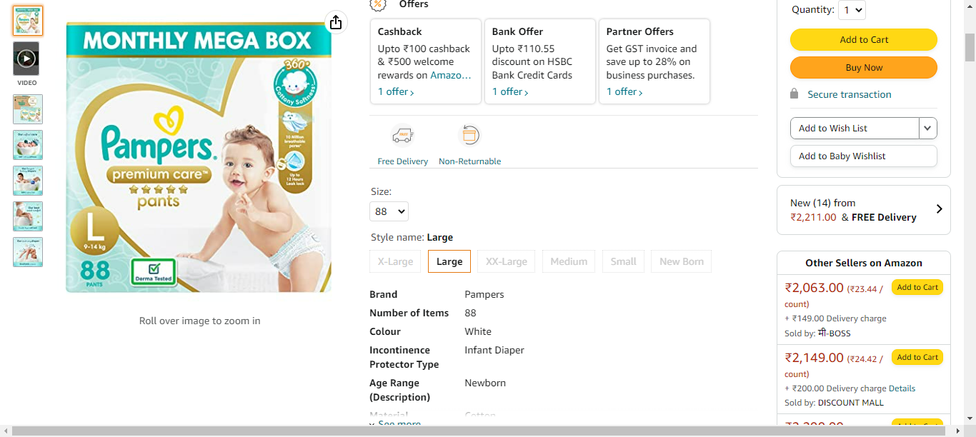
addProductToCart | SIT | AmazonPage | addProductToCart | Select quantity and add to cart is failed in Selenabler Framework | 1)Select product after navigating to product page 2)Select quantity and add to cart is failed | Failure Reason from Selenabler Framework: expected [Add to Car] but found [Add to Cart] | 2023.02.16.16.12.14 , 2023.02.16.16.08.03 | Chrome | SIT | To Do | 1
loginToAmazon | SIT | AmazonPage | loginToAmazon | Enter Password and verify SignIn button is failed in Selenabler Framework | 1)Navigate to SignIn Page 2)Enter Username and continue 3)Enter Password and verify SignIn button is failed | Failure Reason from Selenabler Framework: expected [true] but found [false] | 2023.02.16.16.11.29 | Chrome | SIT | To Do | 0

choosing_language_japanese | SIT | choosing_language_japanese | choosing_language_japanese | SignIn button should be located is failed in Selenabler Framework | SignIn button should be located is failed | Failure Reason from Selenabler Framework: The language does not changes to English!! expected [true] but found [false] | 2023.07.20.15.10.26 | Chrome | SIT | To Do | 0

